Mapping
Area, course or module |  |  |  |  | Skills development |  |  | Sustainable development goals - https://sdgs.un.org/goals |  |  |  |  |  |  |  |  |  |  |  |  |  |  |  |  | Notes, examples, ideas, action points
Area (department, course or module name) | Department | Learner level | Number of learners (whole numbers only) | Your name | Green skills for jobs e.g. skills aimed at fulfiling the requirements of green jobs and supporting the transition to a just low carbon green economy | Green life skills | Skills for a green transformation e.g. adaptive skills aimed at transforming unjust social and economic structures | SDG 1: No poverty | SDG 2 : Zero hunger | SDG 3: Good health and wellbeing | SDG 4: Quality education | SDG 4: Gender equality | SDG 6: Clean water and sanitation | SDG 7: Affordable and clean energy | SDG 8: Decent work and economic growth | SDG 9: Industry, innovation and infrastructure | SDG 10: Reduced inqualities | SDG 11: Sustainable cities and communities | SDG 12: Responsible consumption and production | SDG 13: Climate action | SDG 14: Life below water | SDG 15: Life on land | SDG 16: Peace, justice and strong institutions | SDG 17: Partnerships for the goals
 |  |  |  |  |  |  |  | 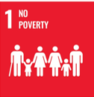 | 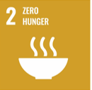 | 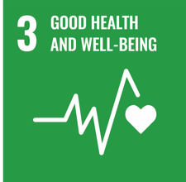 | 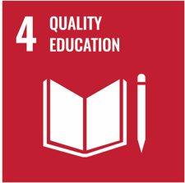 | 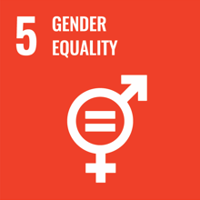 | 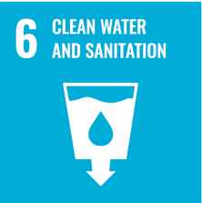 | 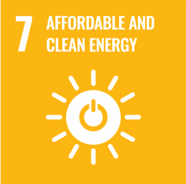 | 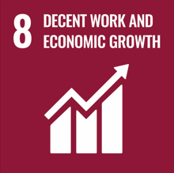 | 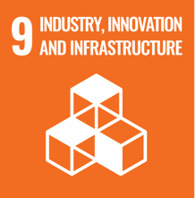 | 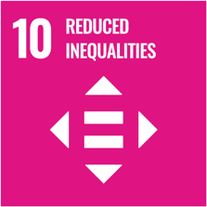 | 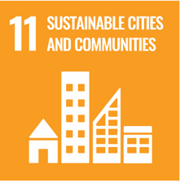 | 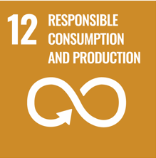 | 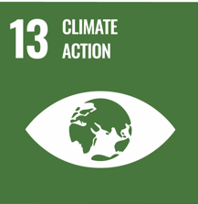 | 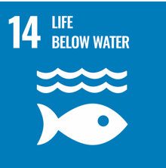 | 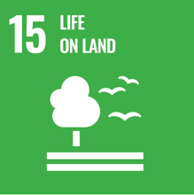 | 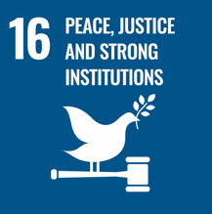 | 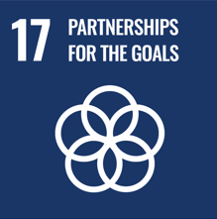

Dashboard
Education for sustainable development mapping report
2025-10-19

Number of areas mapped | 0
Number of learners within areas mapped | 0
Percentage of mapped learners exposed to explicit sustainability content | #DIV/0!
Percentage of mapped learners developing advanced sustainability skills | #DIV/0!
Prevalence of SDGs related content across areas mapped
 | Explicit ESD content | Implicit ESD content | No ESD content
17: Partnerships for the goals | 0 | 0 | 0
16: Peace, justice, and strong institutions | 0 | 0 | 0
15: Life on land | 0 | 0 | 0
14: Life below water | 0 | 0 | 0
13: Climate action | 0 | 0 | 0
12: Responsible consumption and production | 0 | 0 | 0
11: Sustainable cities and communities | 0 | 0 | 0
10: Reduced inequalities | 0 | 0 | 0
9: Industry, innovation, and infrastructure | 0 | 0 | 0
8: Decent work and economic growth | 0 | 0 | 0
7: Affordable and clean energy | 0 | 0 | 0
6: Clean water and sanitation | 0 | 0 | 0
5: Gender equality | 0 | 0 | 0
4: Quality education | 0 | 0 | 0
3: Good health and wellbeing | 0 | 0 | 0
2: Zero hunger | 0 | 0 | 0
1: No poverty | 0 | 0 | 0

Sustainability skills being developed
For sustainability jobs | 0
Sustainable life skills | 0
Skills for transformation | 0
No sustainability skills developed | 0
Most prevalent SDGs across curricula
#N/A
#N/A
#N/A
Least prevalent SDGs across curricula
#N/A
#N/A
#N/A
Which level learners are exposed to ESD
 | Explicit sustainability content | Sustainability skills developed
L1 | 0 | 0
L2 | 0 | 0
L3 | 0 | 0
L4 | 0 | 0
L5 | 0 | 0
L6 | 0 | 0
L7 | 0 | 0
L8 | 0 | 0

